Sheet1
Miami Valley Packaging Solutions Inc.
150 Janney Road
Dayton, OH 45404
Phone: (937) 224-1800 Fax: (937) 224-3374
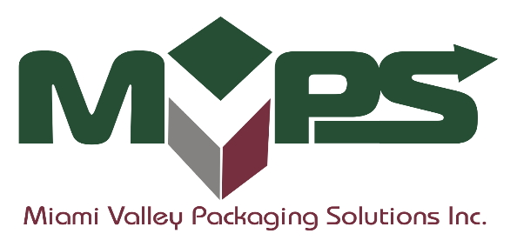

 |  |  |  |  |  | invoice:
Quotation
 |  |  |  |  |  | Date

Name
Customer
Street
City, State, zip
 |  |  |  |  | Account Manager.:

Box No | Style | Size | Material | Joint | Printing | Qty | Price

Don Chmiel
V.P. Sales & Marketing |  |  |  | Terms: | 1% 10 Days, Net 30 Days
 |  |  |  | F.O.B.: | Delivered
Solving Problems by Design… Innovation and Customer Service

